Operational Data (Vendors)
Checkers Food Services

Ok Furniture and House and Home
Feedback from Terry vd Bank - Furniture (OK Furn and H&H): We pay a monthly R249 per Merchant (OKF and HH) cost for the gateway and then the per txn costs and % charges per txn on Paygate (same as OKFD do) Magento cost me just under R15k per month per site incl of support and hosting. Support is incl of 8 hours and thereafter I get billed for Out of SLA @ R540 per hour. Dev is adhoc and quoted and then approved before Dev

Ok Francise
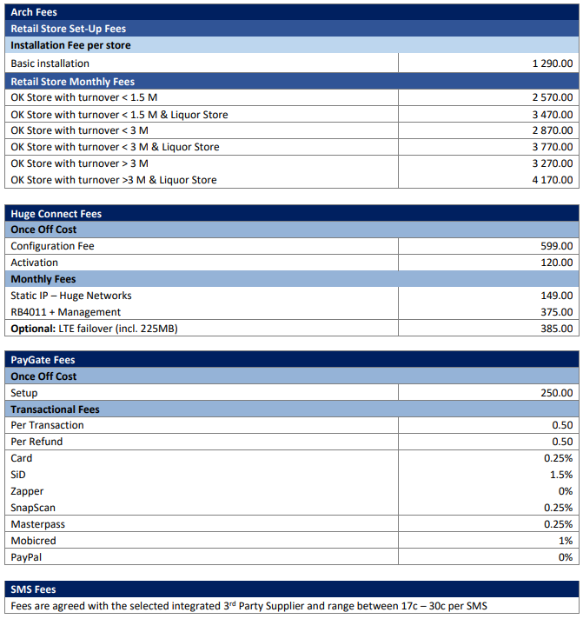

Liquorshop Click and Collect
LH indicated the following as Operational People costs - 1 x Scrum master II - 2 x tester II - 2 x Developers II - 2 x Functional Designer II - 2 x Cloud Engineer II Hosting costs (Indicitive) : 5000 USD p/m
133,980.00
178,524.00
223,068.00
267,960.00
223,068.00
1,026,600.00

Franchise - Louise de Goede is the person. She understands what you need, will just not possibly make the deadline for Friday. They have a lot going on, so expecting to receive only in next week. Furniture Division - Terry vd Bank is the person. I have asked already, waiting for feedback. CFS - Bilaal Hoosen is our contact. He said he will reach out to the vendor (Dynamics Inc) as he has the relationship with them.

